Sheet1
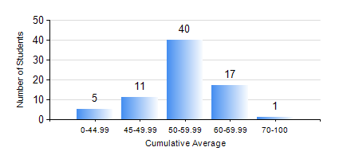
 |  |  | KWAME NKRUMAH UNIVERSITY OF SCIENCE AND TECHNOLOGY, KUMASI Department of Agricultural and Biosystems Engineering

 |  |  | BSC. AGRICULTURAL ENG.

 |  |  | COMPREHENSIVE RECORD OF EXAMINATION RESULTS

 |  |  | RESULTS OF YEAR 3 FIRST SEMESTER, 2019/2020 ACADEMIC YEAR

 | Sn | Course Code |  | Course Name | Credit Hours | Min. Mark | Max. Mark | Avg. Mark | Std. Dev. | No. Passed | No. Trailed | No. (Df) | No. (I) | No. (I*) | No. Tagged(I,I*,Df) | Total
 | 0. |  |  |  |  |  |  | 0 | 0 | 0 | 0 | 0 | 0 | 0 | 0 | 4
 | 1. | AE 351 |  | SOIL AND WATER ENGINEERING | 3 | 41 | 81 | 65 | 9.07 | 70 | 0 | 0 | 0 | 0 | 0 | 70
 | 2. | AE 353 |  | AGRICULTURAL MATERIALS HANDLING AND PROCESSING | 3 | 41 | 77 | 59 | 8.97 | 70 | 0 | 0 | 0 | 0 | 0 | 70
 | 3. | AE 373 |  | MACHINE DESIGN I | 3 | 33 | 86 | 54 | 9.82 | 69 | 1 | 0 | 0 | 0 | 0 | 70
 | 4. | MATH 351 |  | NUMERICAL ANALYSIS | 2 | 0 | 75 | 51 | 10.82 | 67 | 3 | 0 | 0 | 0 | 0 | 70
 | 5. | ME 355 |  | STRENGTH OF MATERIALS II | 3 | 23 | 95 | 54 | 16.2 | 62 | 8 | 0 | 0 | 0 | 0 | 70
 | 6. | ME 365 |  | THERMODYNAMICS II | 3 | 33 | 86 | 68 | 9.31 | 69 | 1 | 0 | 0 | 0 | 0 | 70

